Answers
 | Sales
2019-07-15 | $1,741,089
2019-07-19 | $5,149,890
2019-07-26 | $2,300,710
2019-08-11 | $1,148,912
2019-08-15 | $4,599,112
2019-08-22 | $1,917,080
2019-08-24 | $1,757,908
2019-09-15 | $1,209,282
2019-09-17 | $1,581,662
2019-10-16 | $8,376,043
2019-10-25 | $1,978,299
2019-11-05 | $914,785
2019-11-19 | $1,711,222
2019-11-27 | $1,257,231
2019-11-25 | $4,078,740
2019-11-29 | $5,897,652
2019-12-25 | $4,852,863
2019-12-27 | $4,687,422
2019-12-30 | $1,838,220
2020-01-15 | $1,958,181
2020-01-25 | $1,370,705
2020-01-29 | $1,683,109
2020-01-01 | $5,664,927
2020-01-02 | $7,239,424
2020-01-02 | $7,874,500
2020-01-02 | $1,096,869

 | Cost | Sales
2019-07-15 | $620,927 | $1,741,089
2019-07-19 | $2,532,956 | $5,149,890
2019-07-26 | $598,287 | $2,300,710
2019-08-11 | $319,550 | $1,148,912
2019-08-15 | $1,698,227 | $4,599,112
2019-08-22 | $913,322 | $1,917,080
2019-08-24 | $876,327 | $1,757,908
2019-09-15 | $342,811 | $1,209,282
2019-09-17 | $616,396 | $1,581,662
2019-10-16 | $4,116,020 | $8,376,043
2019-10-25 | $660,000 | $1,978,299
2019-11-05 | $228,876 | $914,785
2019-11-19 | $729,835 | $1,711,222
2019-11-27 | $553,551 | $1,257,231
2019-11-25 | $1,244,348 | $4,078,740
2019-11-29 | $2,686,453 | $5,897,652
2019-12-25 | $2,076,115 | $4,852,863
2019-12-27 | $1,904,840 | $4,687,422
2019-12-30 | $740,195 | $1,838,220
2020-01-15 | $525,195 | $1,958,181
2020-01-25 | $488,559 | $1,370,705
2020-01-29 | $516,876 | $1,683,109
2020-01-01 | $1,698,733 | $5,664,927
2020-01-02 | $2,476,489 | $7,239,424
2020-01-02 | $3,219,058 | $7,874,500
2020-01-02 | $498,938 | $1,096,869

Transactions by Client

Row Labels | Count of Client
ABC Corporation | 1
Bridges Company | 1
Chiral Corporation | 1
Eagle Security | 3
Sol Company | 1
Timefall Inc. | 7
Titan Industries | 12
Grand Total | 26

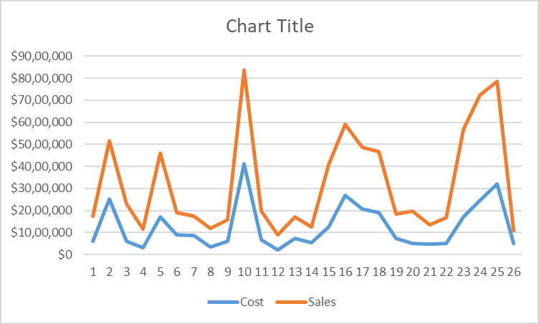

Invoice vs Cost
 | Cost | Sales
 | $620,927 | $1,741,089
 | $2,532,956 | $5,149,890
 | $598,287 | $2,300,710
 | $319,550 | $1,148,912
 | $1,698,227 | $4,599,112
 | $913,322 | $1,917,080
 | $876,327 | $1,757,908
 | $342,811 | $1,209,282
 | $616,396 | $1,581,662
 | $4,116,020 | $8,376,043
 | $660,000 | $1,978,299
 | $228,876 | $914,785
 | $729,835 | $1,711,222
 | $553,551 | $1,257,231
 | $1,244,348 | $4,078,740
 | $2,686,453 | $5,897,652
 | $2,076,115 | $4,852,863
 | $1,904,840 | $4,687,422
 | $740,195 | $1,838,220
 | $525,195 | $1,958,181
 | $488,559 | $1,370,705
 | $516,876 | $1,683,109
 | $1,698,733 | $5,664,927
 | $2,476,489 | $7,239,424
 | $3,219,058 | $7,874,500
 | $498,938 | $1,096,869

 | Cost | Misc. Fees
 | $620,927 | $20,871
 | $2,532,956 | $13,685
 | $598,287 | $14,823
 | $319,550 | $17,190
 | $1,698,227 | $17,154
 | $913,322 | $7,499
 | $876,327 | $21,434
 | $342,811 | $6,914
 | $616,396 | $13,657
 | $4,116,020 | $18,783
 | $660,000 | $20,190
 | $228,876 | $16,053
 | $729,835 | $23,338
 | $553,551 | $10,057
 | $1,244,348 | $7,734
 | $2,686,453 | $8,574
 | $2,076,115 | $9,483
 | $1,904,840 | $9,276
 | $740,195 | $5,176
 | $525,195 | $18,575
 | $488,559 | $8,472
 | $516,876 | $13,193
 | $1,698,733 | $5,099
 | $2,476,489 | $12,797
 | $3,219,058 | $19,610
 | $498,938 | $13,048

 | Invoice | Sales
 | SFC-154 | 1.7M
 | SFC-156 | 5.1M
 | SFC-167 | 2.3M
 | SFC-170 | 1.1M
 | SFC-175 | 4.6M
 | SFC-180 | 1.9M
 | SFC-210 | 1.8M
 | SFC-216 | 1.2M
 | SFC-219 | 1.6M
 | SFC-244 | 8.4M
 | SFC-209 | 2.0M
 | SFC-203 | 0.9M
 | SFC-213 | 1.7M
 | SFC-230 | 1.3M
 | SFC-237 | 4.1M
 | SFC-183 | 5.9M
 | SFC-210 | 4.9M
 | SFC-240 | 4.7M
 | SFC-178 | 1.8M
 | SFC-219 | 2.0M
 | SFC-228 | 1.4M
 | SFC-182 | 1.7M
 | SFC-189 | 5.7M
 | SFC-196 | 7.2M
 | SFC-219 | 7.9M
 | SFC-247 | 1.1M

